Sheet1
GENDER COMPARISON ANALYSIS DASHBOARD OF TELECOM USERS

Gender Counts |  | Male vs Females Using Phone Services | Highest Monthly Charges Comparison |  | Monthly Charges Skewness |  | Total Charges Skewness
Males | Females | 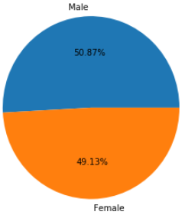 | Males | Females | Males | Females | Males | Females
3050 | 2936 |  | 118.35 | 118.75 | -0.205 | -0.233 | 0.949 | 0.952

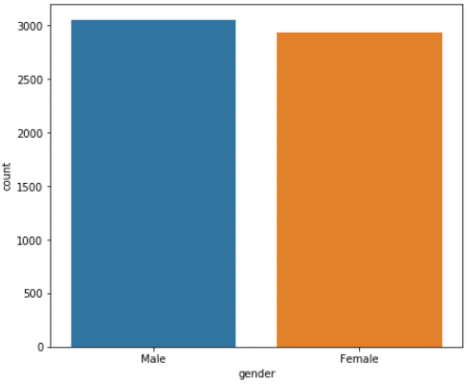
 |  |  | Lowest Monthly Charges Comparison |  | Monthly Charge Distribution (Males) |  | Total Charge Distribution (Males)
 |  |  | Males | Females | 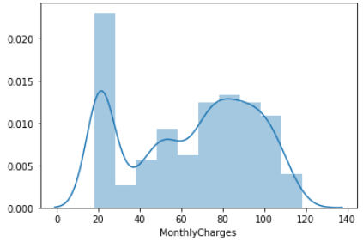 |  | 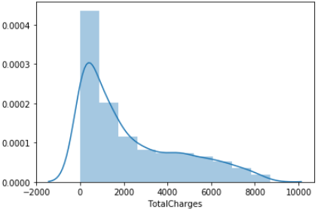
 |  |  | 18.25 | 18.4

 |  |  | Highest Total Charges Comparison
 |  |  | Males | Females
 |  |  | 8684.8 | 8672.45

 |  |  | Lowest Total Charges Comparison
 |  |  | Males | Females
 |  |  | 0 | 0

Male vs Female Churn Comparison |  | Male vs Females Using Fiber Optics
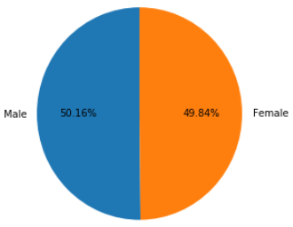 |  | 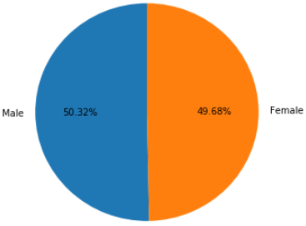 | Monthly & Total Charges Correlation |  | Monthly Charge Distribution (Females) |  | Total Charge Distribution (Females)
 |  |  | 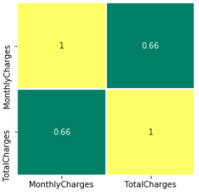 |  | 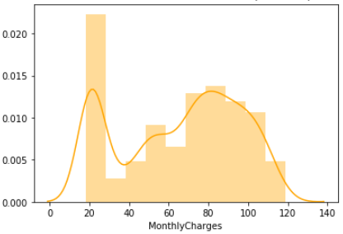 |  | 